Sheet1


Item Number: T730

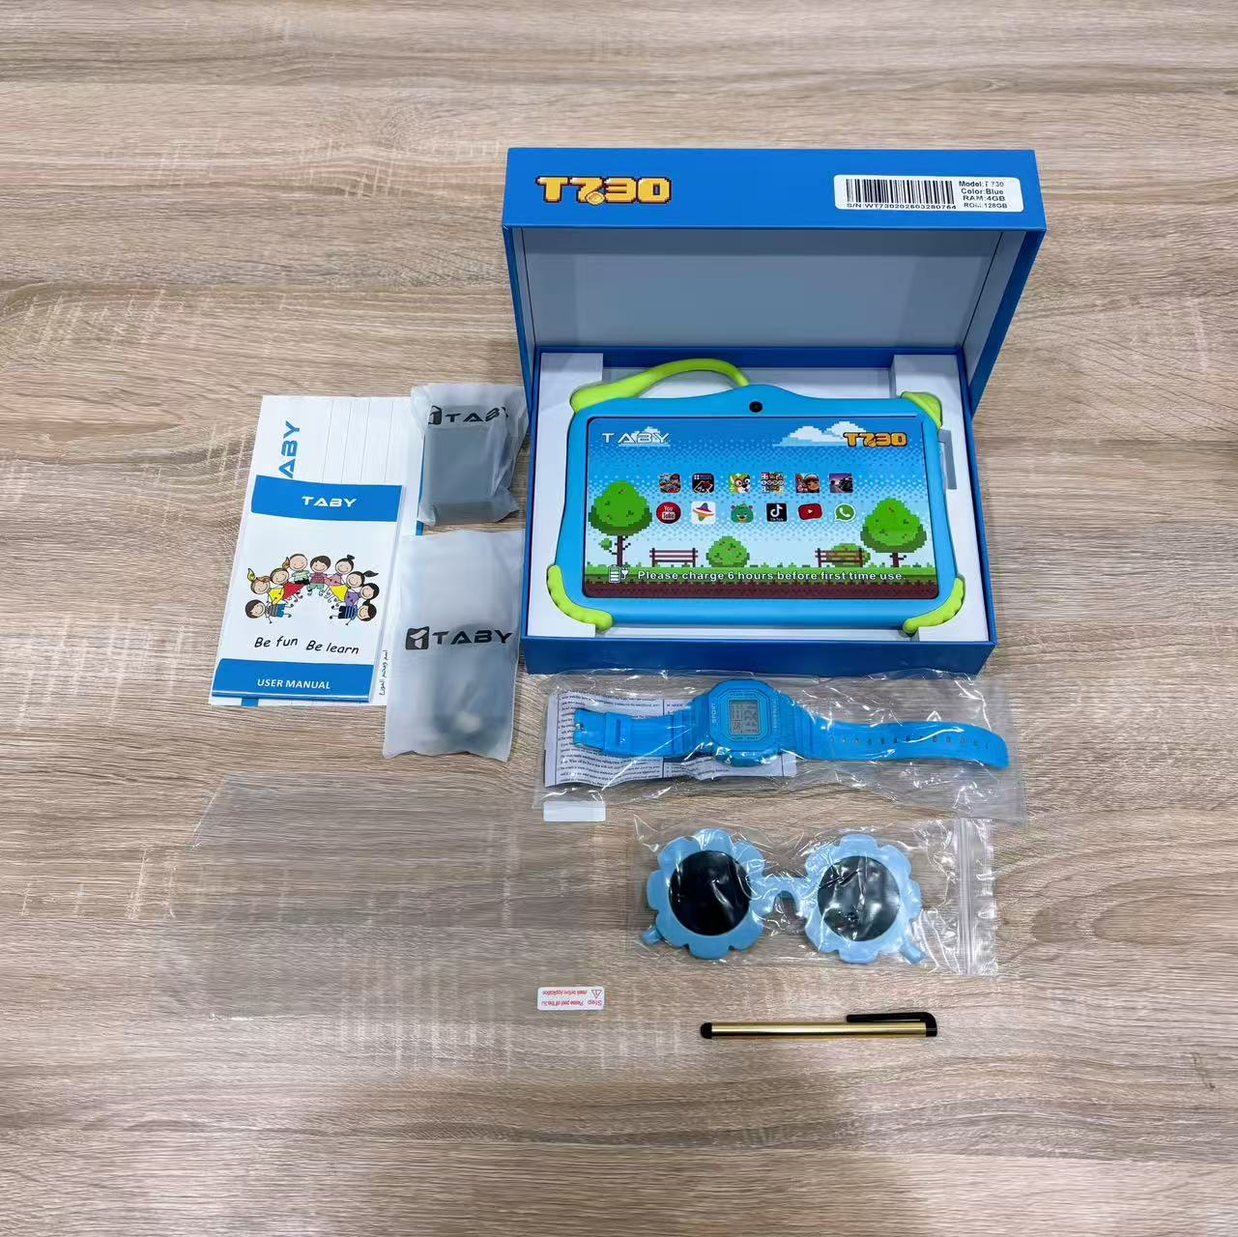
Display parameters |  | Real parameters | 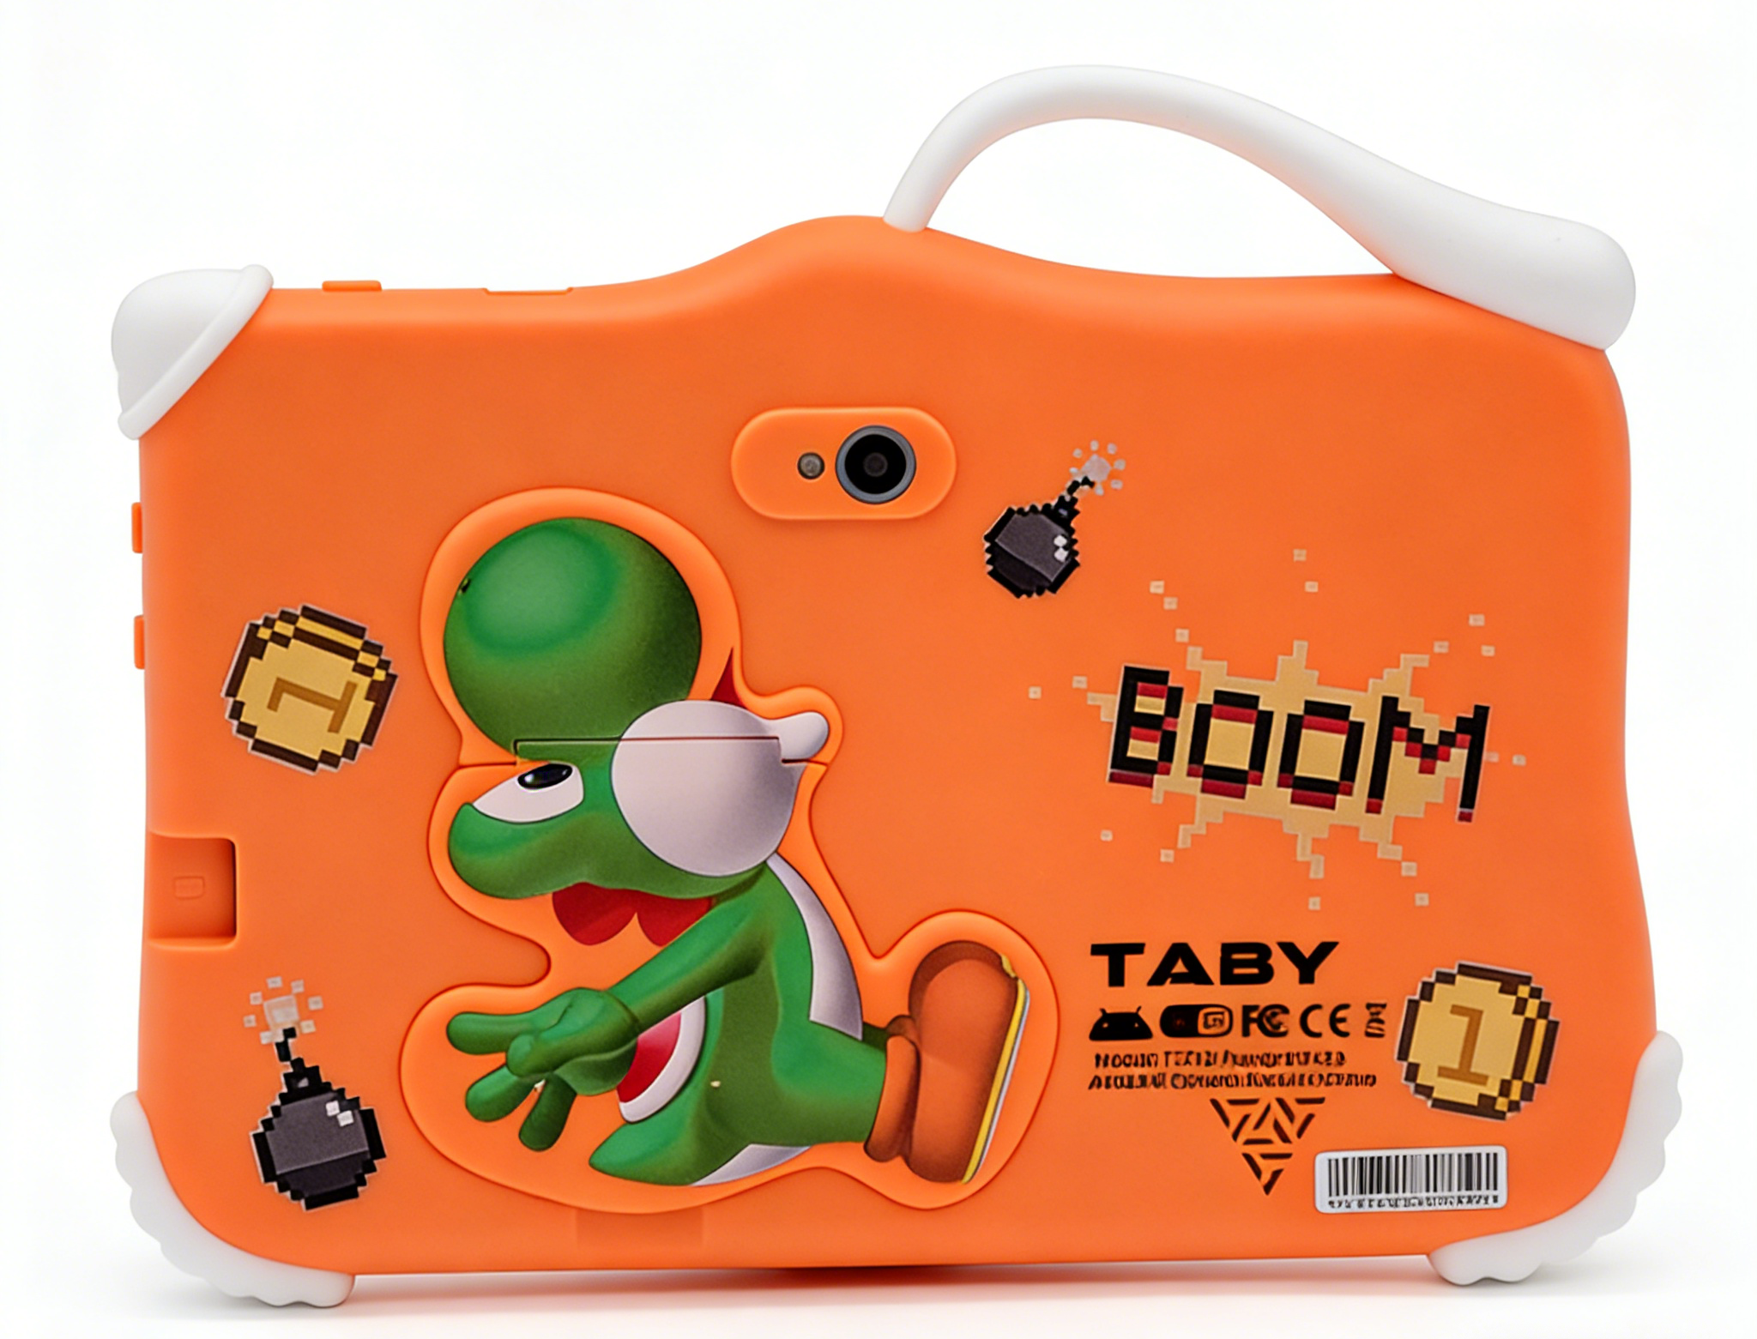 | 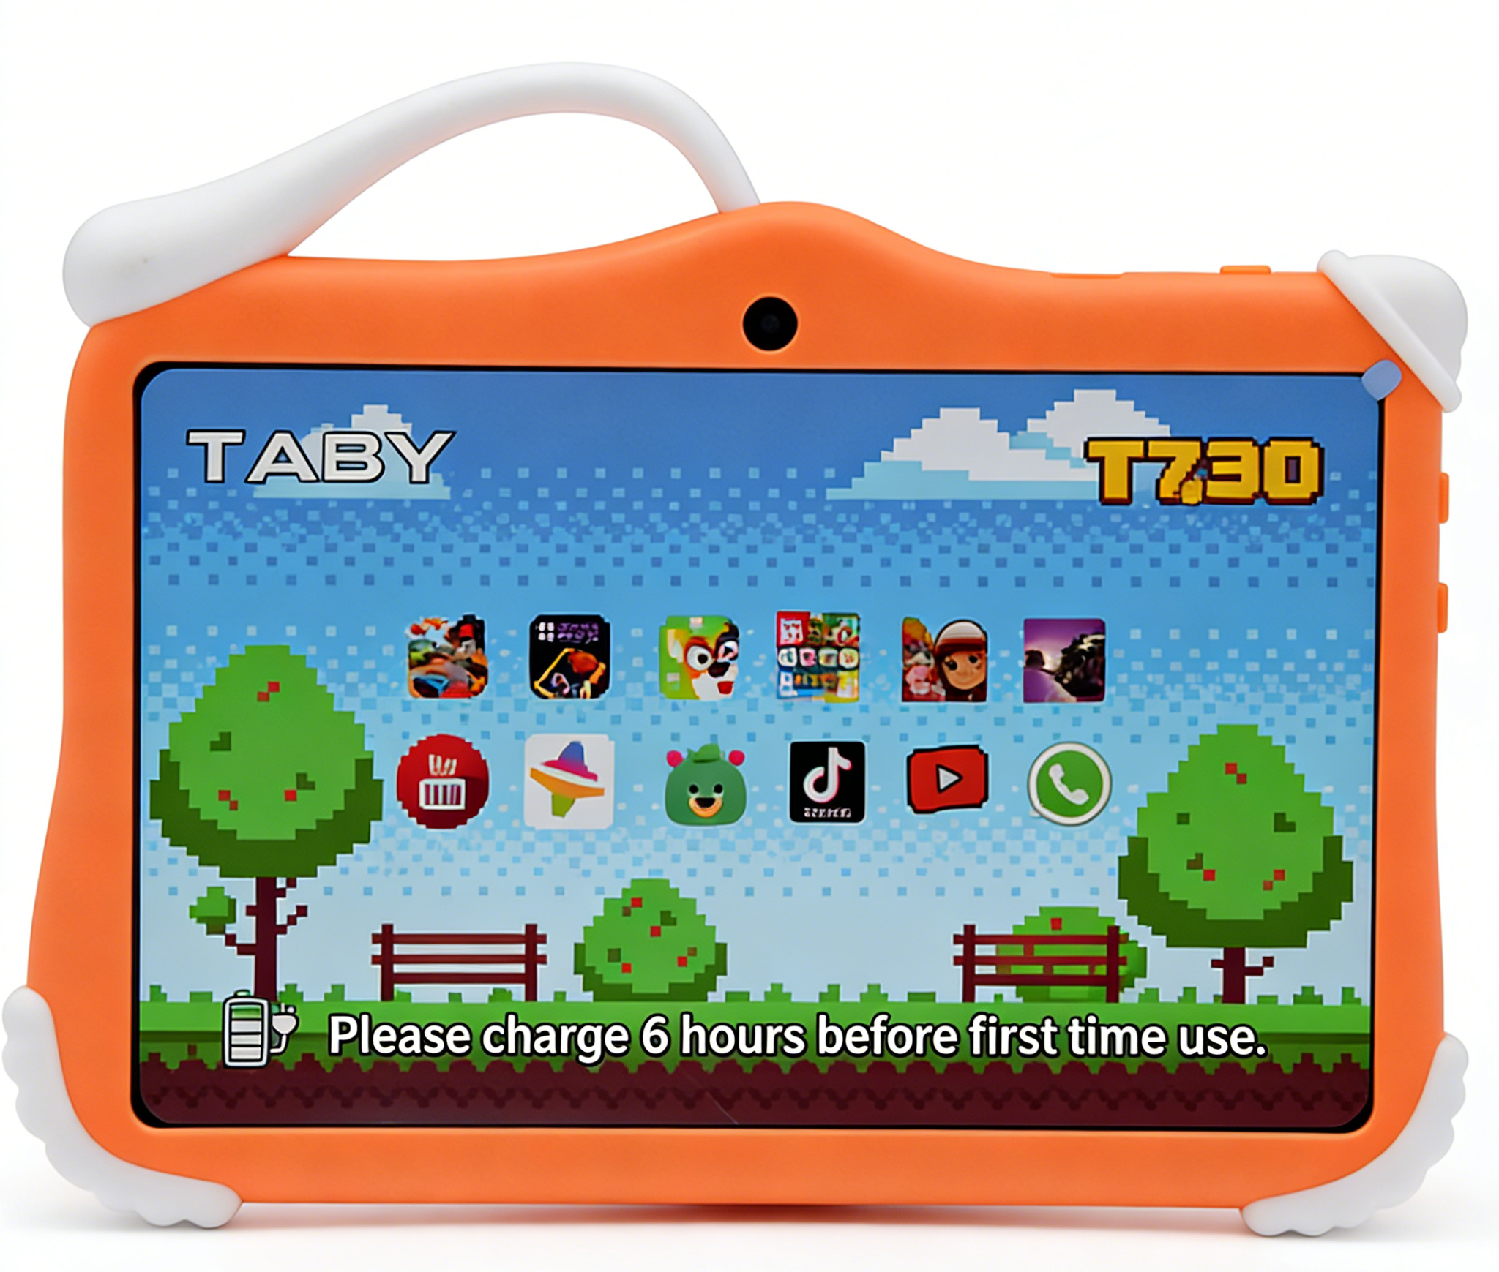
♦ Size：7 inch ♦ Resolution：1024*600 ♦ Android OS：Android 14 ♦ Processor：MTK8321 Quad Core ♦ RAM：4GB ♦ ROM：128GB ♦ Camera：2MP+2MP ♦ WiFi+B/T ♦ 3000mAh |  | ♦ Size：7 inch ♦ Resolution：1024*600 ♦ Android OS：Android 10 ♦ Processor：MTK8321 Quad Core ♦ RAM：1.5GB ♦ ROM：16GB ♦ Camera：0.3MP+0.3MP ♦ WiFi+B/T ♦ 2200mAh

Hardware Specifications
Chip | CPU | MTK8321 Quad Core
Memory | DDR | 4GB
Storage | EMMC | 128GB
Monitor | LCD | 7 inch 1024*600px
Camera | Front camera | 2MP
 | Main camera | 2MP
Type-C | Data | Connect to PC or OTG
 | Charge | Type-C charging, 5V/2A
Battery | Lithium battery | Standard configuration: 3000mAh, battery life: 4-5 hours
Wireless network | WiFi/BT | WiFi+B/T
Handwriting | Capacitive pen | Passive Styluses pen
Software Specifications
Operating system | Android system | Android 14
 | Image Format | JPG, JPEG, GIF, BMP, PNG
 | Apps | Google 、Chromeme、Gmail、Maps、YouTube、Photos、Messages、Calculator、Clock、Duo、Sound Record、Play Store、Camera、YT Music
 | Supported languages | Multiple language
 | Certificates | FCC、 CE、 ROHS (Based on PO requirements)
Other parameters
Body | Shell material | Hardware+Plastic Hot Melt
 | Size | Body size：192*130*13mm/Box size：230*178*46mm
 | Weight | About 336 g/689 g（whit box）

