Q801
DONGGUAN LIONTEK TECHNOLOGY CO.,LTD
Contact： Mobile:
Web：www.wintouchcn.com E-mail:
Address:Yonghui Hengwang Zhigu, No. 2 Lianfeng New Road, DalingshanTown,Dongguan City,Guangdong Province
MTK 6737 Q801
Key features: - 8inch 1200*800 IPS - MTK6737 - Android 11 - RAM 3GB - ROM 32GB - 3500mAH capacity - Wifi+3G - Front camera: 0.3MP, Rear camera: 2.0MP |  | 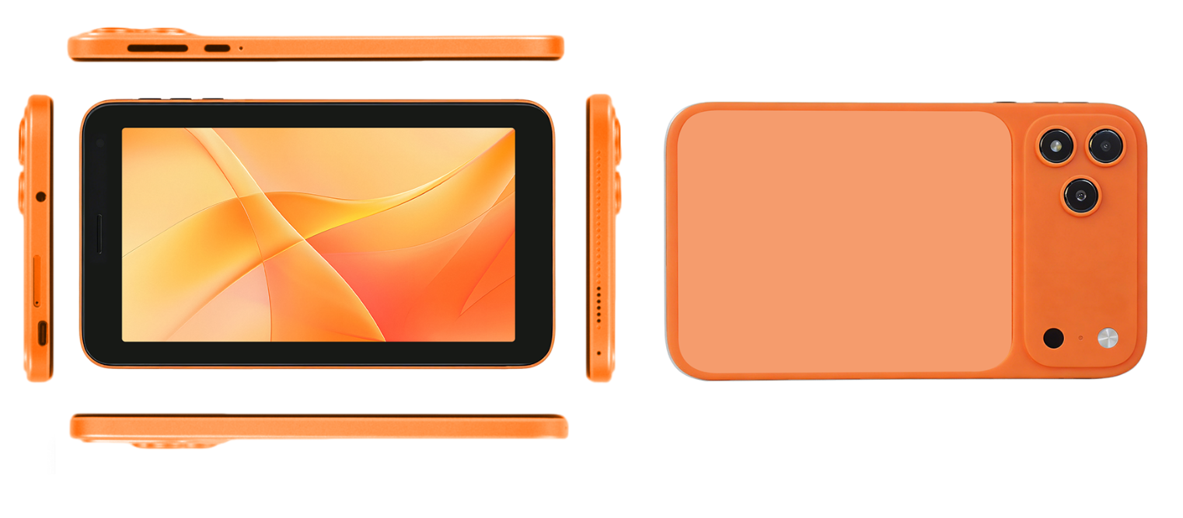
System Configurations
Type | Details | Descriptions
Operating System | Android Version | Android 11.0
CPU | Type | Mediatek MTK6737 Quad Core
Display | Screen Size | 8 inches
 | Screen Resolution | 1200*800 IPS
Battery | Capacity | 3500MAH battery capacity
 | Working Time | 5-6 hours
Hardware Specification
Type | Details | Descriptions
Memory | RAM | 3GB
Storage | ROM | 32GB (Support expand with 256GB TF card)
Camera | Front | 0.3MP
 | Rear | 2.0MP
Speaker | Built-in | Dual speakers
Network Connections:
Type | Details | Descriptions
WIFI | WIFI Module | Support
4G/LTE | Built-in | Wifi+3G Sim Card
Bluetooth | BT Module | Support
Interface Configuration:
Type | Details | Descriptions
Memory Card Slot | External Memory | Support 256GB TF card
SIM Card Slot | SIM Card Slot | Dual sim card
USB Interface | USB Interface Type A | N/A
 | USB Interface Type C | 1*USB-C
Headphone Jack | Music Output | 3.5mm
Keyboard | Input Device | Support
Main Accessories:
Type | Details | Descriptions
Standard | Charging | 5V 2A adapter * 1 + USB to C cable *1
 | Manners | User manner+ Warranty card
 | Protection | Screen Protector*1

