Q701
DONGGUAN LIONTEK TECHNOLOGY CO.,LTD
Contact： Mobile:
Web：www.wintouchcn.com E-mail:
Address:BochuanglndustrialPark,DalingshanTown,Dongguan City,Guangdong Province
Q701
Key features: - 7inch 1024*600px - MTK6735 - Android 9 - RAM 2GB - ROM 16GB - 2500mAH capacity - Wifi + 3G call - Front camera: 0.3MP, Rear camera: 2MP |  | 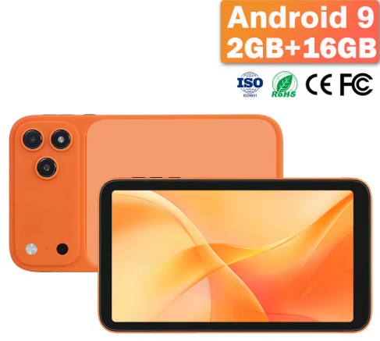
System Configurations
Type | Details | Descriptions
Operating System | Android Version | Android 9
CPU | Type | Mediatek MTK6735
Display | Screen Size | 7 inch
 | Screen Resolution | 1024*600px
Battery | Capacity | 2500MAH battery capacity
 | Working Time | 3-5 hours
Hardware Specification
Type | Details | Descriptions
Memory | RAM | 2GB
Storage | ROM | 16GB (Support expand with 256GB TF card)
Camera | Front | 0.3MP
 | Rear | 2MP
Speaker | Built-in | Dual speakers
Network Connections:
Type | Details | Descriptions
WIFI | WIFI Module | Support
3G/LTE | Built-in | 3G call
Bluetooth | BT Module | Support
Interface Configuration:
Type | Details | Descriptions
Memory Card Slot | External Memory | Support 256GB TF card
SIM Card Slot | SIM Card Slot | Dual sim card
USB Interface | USB Interface Type C | 1*USB-C
Headphone Jack | Music Output | 3.5mm
Keyboard | Input Device | Support
Main Accessories:
Type | Details | Descriptions
Standard | Charging | 5V 2A adapter * 1 + USB to C cable *1
 | Manners | User manner+ Warranty card
 | Protection | Screen Protector*1

