Sheet1
Item Number: K718
 | Details
 | Project | Item | Description
 | Fuction | CPU | MTK8321
 |  | SDRAM | DDR3-2G
Images |  | Memory | 16GB (can use 32GB TF card to expand storage )
 |  | Storage Expansion | MAX 32G SD/TF card
 |  | WiFi | Build-in Lower comsuption WiFi+B/T,support 802.11b/g
 | OS | System | Android 5.0
 | Display System | screen | 7" 1024*600
 |  | Language | Multi language
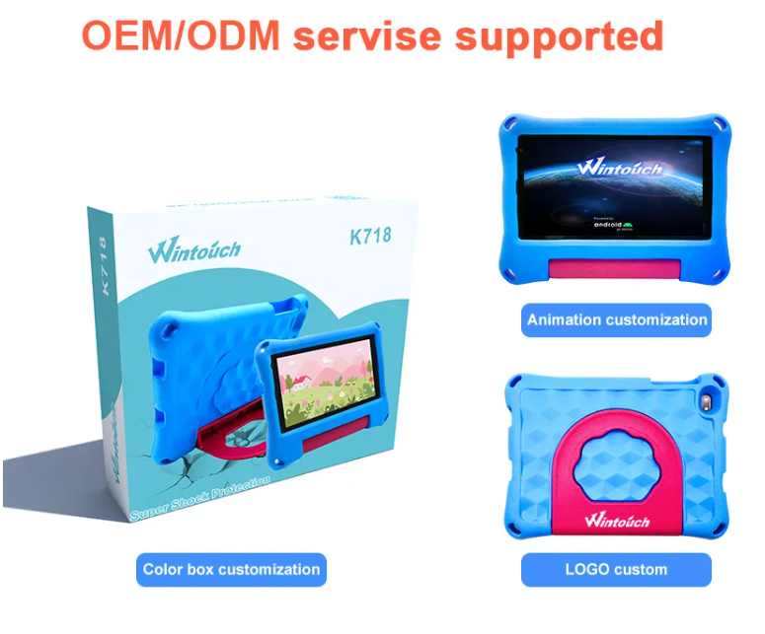
 | Internet | Browser | Opera,UCWeb,SkyFile,Dolphin and others，
 |  | Online entertainment | support online Video,TV,moive,music.
 |  | Office | WORD,EXCEL,POWERPOINT,PDF,TXT
 |  | Game | Build-in 3D accelerator，can support 3D game
 |  | Expansion | more than 20000 applications in Google Android market can be downloaded free
 | Audio | Support format | Support MP3,WMA,MP2,OGG,AAC,M4A,MA4,FLAC,APE,3GP,WAV，Support playlist
 |  | singaltonnoiceratio | >90dB
 |  | Recorder | Support MP3,WMA recorder
 | Video |  | Support AVI（H.264、DIVX、DIVX、XVID）, rm，rmvb， MKV（H.264、DIVX、DIVX、XVID），WMV，MOV，MP4（.H.264、MPEG、DIVX、XVID），DAT（VCD），VOB（DVD），PMP,MPEG，.MPG,， FLV（H.263，H.264），ASF ，TS， TP，3GP，MPG ect more than 30 formats.
 |  | Play effect | Max 1024*600pixel
 |  | Video output | 720P to 2160P HD output
 | Other Function | E-book reader | Support change character body、character color,backgroud color、Support Bookmark ，Support reading E-book and listen music at the same time
 |  | Picture | Support JPG、BMP、PNG、GIF
 |  | Speaker | single speaker
 | I/O PORT | OTG&HOST | Support Hard disk movies,degital camera,mobile,flash disk,card reader
 |  | USB | USB 2.0 high speed
 |  | Charger | Small Charger DC5V
 |  | Size | 181*121*10.8(mm)
 |  | earphone | 3.5mm earphone port
 | Other | Webcam | front 0.3M mega pixel, back 2M camera
 |  | Touch sreen | Pure capacitive five point touch screen
 |  | Battery | 2500mAh / 3.7V li-battery,work time 5hours
 |  | Accessories | C5V2A charger，USB cable ，OTG cable，user manual，warranty card

