Sheet1
Item Number: k714
 | Details
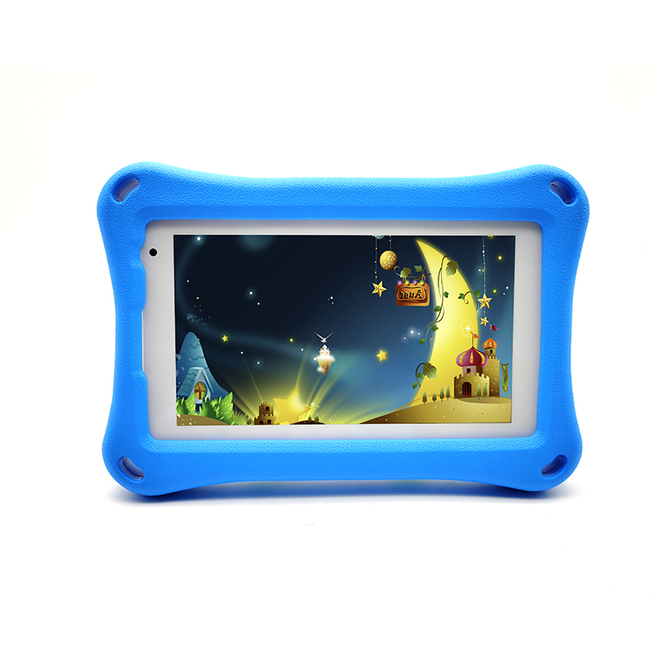 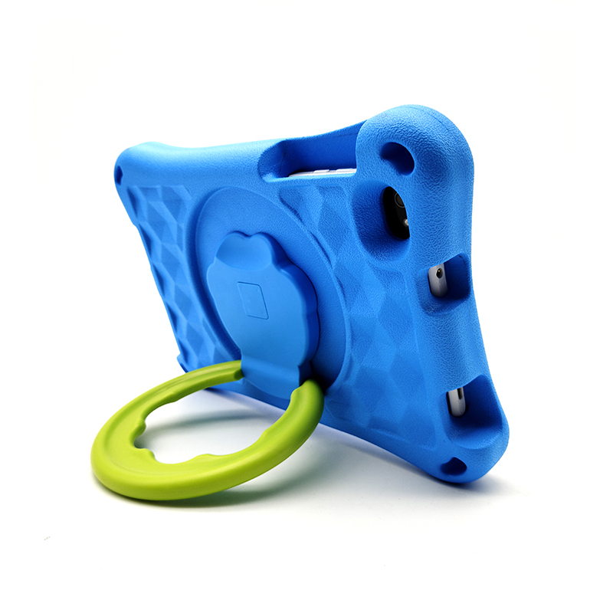 | Screen | 7" 1024*600 IPS Screen
 | CPU | A133 Quad Core 2.0Ghz
 | Body Size | 20.2*21*3.5(cm)
 | Working RAM | 2 GB
 | Inner Storage | 32 G B
 | Internet Connection | Build-in Lower comsuption WiFi+B/T,support 802.11b/g
 | Operation System | Android 11
 | System Language | Multi language settings including all the using languages
 | App | Supporting Google Play directly downloading
 | Videos and Images | Main forms of videos and iamges are supported
 | Speaker | single speaker
 | Jack/ Port | Micro USB charging port, 3MM earphone port
 | Power/ Battery | 5V2A power charge,3500MAH battery capacity
 | Camera | Front 2MP, Back 5MP
 | Packing Details | Loading: each piece single color box, 20boxs/CTN, Carton size:50*37*27 CM Weight: 16 KGS Accessorise: Charger/ USB cable/ Screen protector/ Protecting case

