Sheet1
Item Number: K706

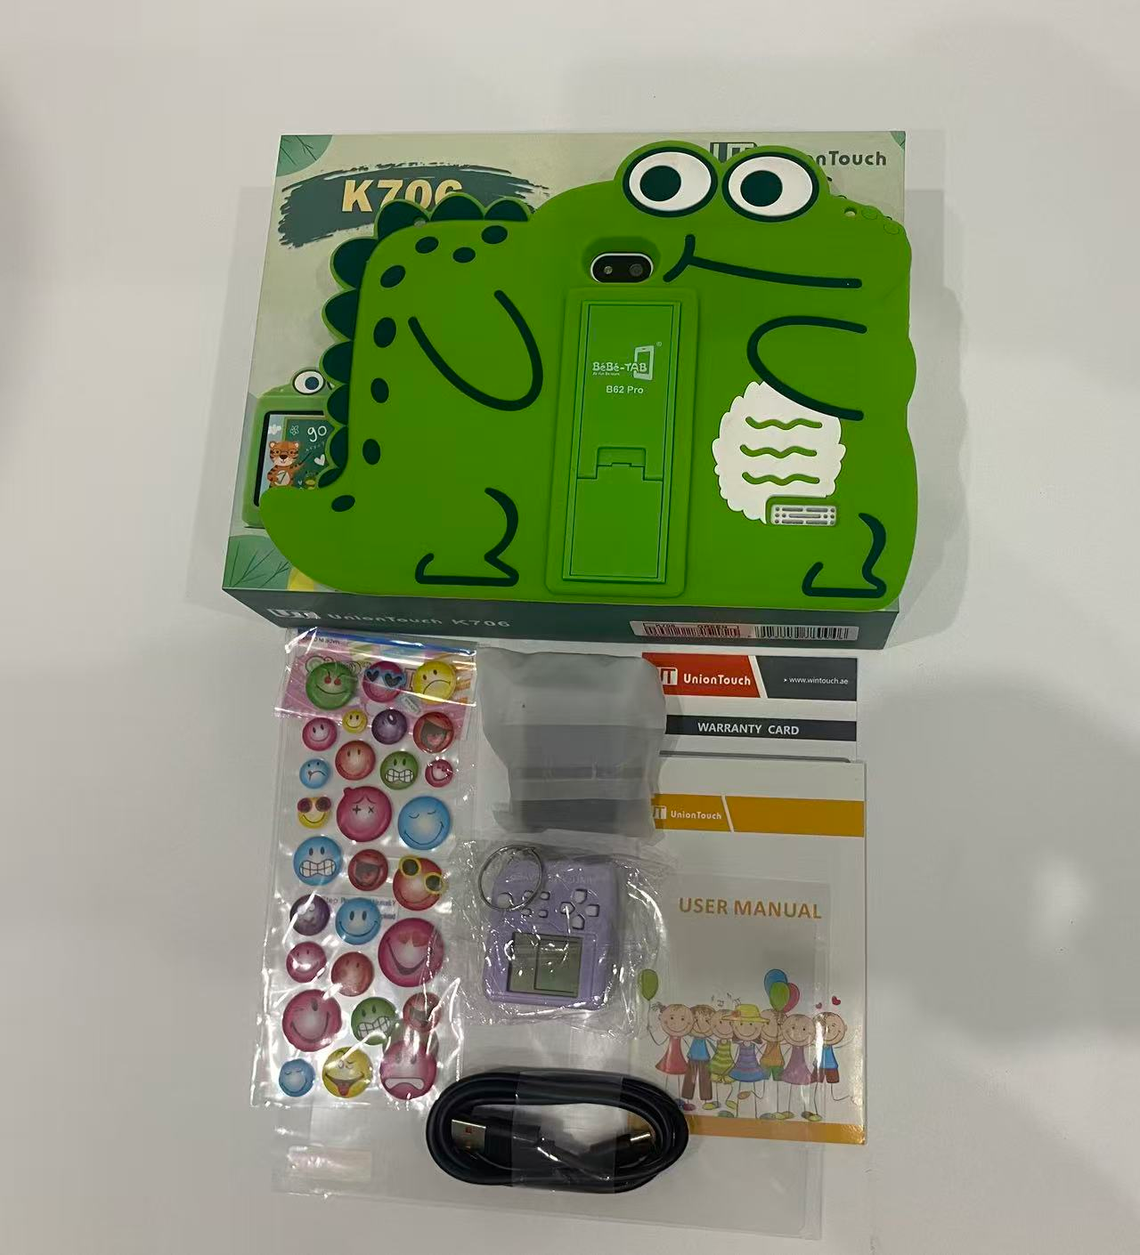
Real parameters |  |  | 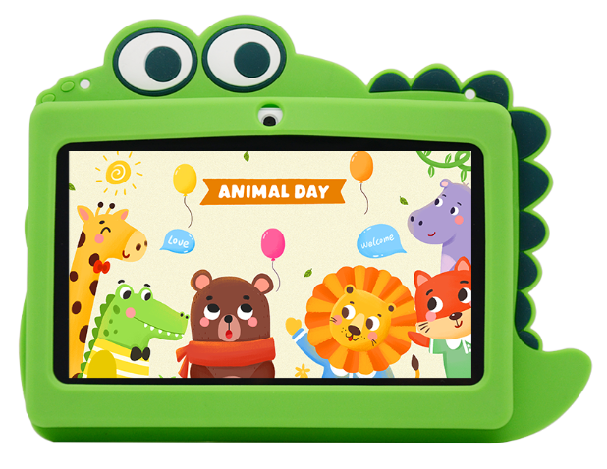 | 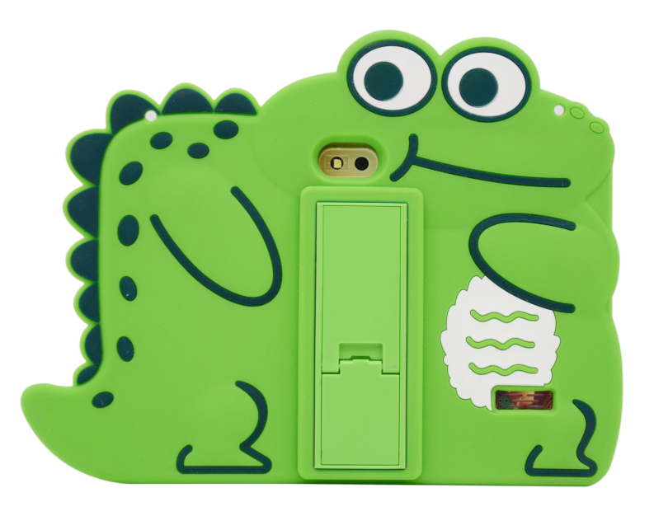
♦ Size：7 inch ♦ Resolution：1024*600 ♦ Android OS：Android 7 ♦ Processor：MTK6735 ♦ RAM：1GB ♦ ROM：8GB ♦ Camera：0.3MP +0.3 MP ♦ WiFi+B/T ♦ 2200mAh

Hardware Specifications
Chip | CPU | MTK6735
Memory | DDR | 1GB
Storage | EMMC | 8GB
Monitor | LCD | 7 inch 1024*600px
Camera | Front camera | 0.3MP
 | Main camera | 0.3MP
Type-C | Data | Connect to PC or OTG
 | Charge | Type-C charging, Input：100-240V～50/60Hz 0.3A Output：5V 1000mA
Battery | Lithium battery | Standard configuration: 2200mAh, battery life: 6 hours
Sim card slot | Support | No SIM Card
Wireless network | WiFi/BT | WiFi+B/T
Hardware | Keyboard | No Keyboard
Software Specifications
Operating system | Android system | Android 7
 | Image Format | JPG, JPEG, GIF, BMP, PNG
 | Apps | Google 、Chromeme、Gmail、Maps、YouTube、Photos、Messages、Calculator、Clock、Duo、Sound Record、Play Store、Camera、YT Music
 | Supported languages | Multiple language
 | Certificates | FCC、 CE、 ROHS (Based on PO requirements)
Other parameters
Body | Shell material | Plastic
 | Size | Body size：18.1*12.1*1.08 CM / Box size：23*20*5 CM
 | Weight | About 750 g/1000 g（whit box）

