Sheet1
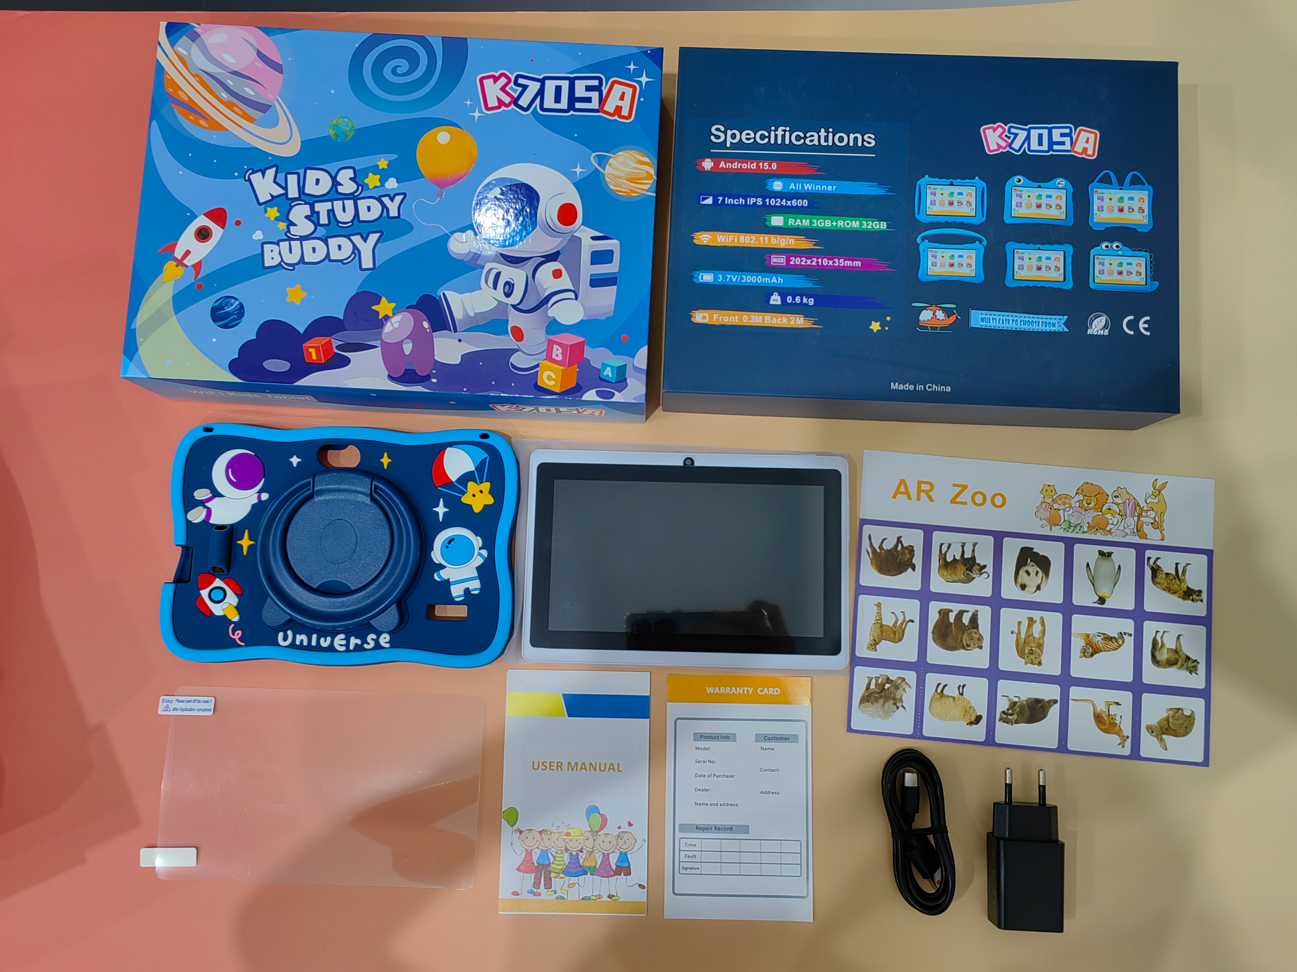

Item Number: K705A

Real parameters |  |  | 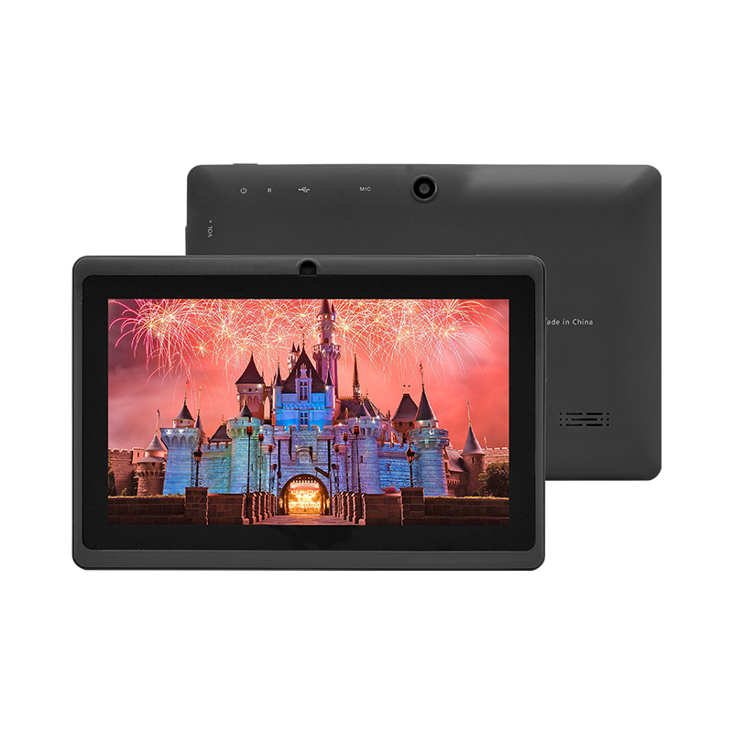 | 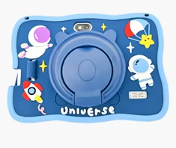
♦ Size:7 inch ♦ Resolution：1024*600 ♦ Android OS：Android 16.0 ♦ Processor：A333 ♦ RAM：3GB ♦ ROM：32GB ♦ Camera：0.3MP+2MP ♦ WiFi ♦ 3000mAh

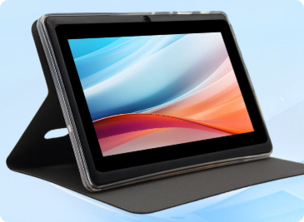
Hardware Specifications
Chip | CPU | A333
Memory | DDR | 3GB
Storage | EMMC | 32GB
Monitor | LCD | 7 inch 1024*600px
Camera | Front camera | 0.3MP
 | Main camera | 2MP
Type-C | Data | Connect to PC or OTG
 | Charge | Type-C charging, 3.7V/2A
Battery | Lithium battery | Standard configuration:3000mAh, battery life: 4-5 hours
Sim card slot | Support | No
Wireless network | WiFi/BT | WiFi+B/T
Hardware | Keyboard | could match
Software Specifications
Operating system | Android system | Android 16.0
 | Image Format | JPG, JPEG, GIF, BMP, PNG
 | Apps | Google 、Chromeme、Gmail、Maps、YouTube、Photos、Messages、Calculator、Clock、Duo、Sound Record、Play Store、Camera、YT Music
 | Supported languages | Multiple language
 | Certificates | FCC、 CE、 ROHS (Based on PO requirements)
Other parameters
Body | Shell material | Hardware+Plastic Hot Melt
 | Size | Body size:181*121*10.8(mm)/Box size：250*240*30mm
 | Weight | About 350 g/1000g（with box and case）

