Sheet1
Item Number: K702
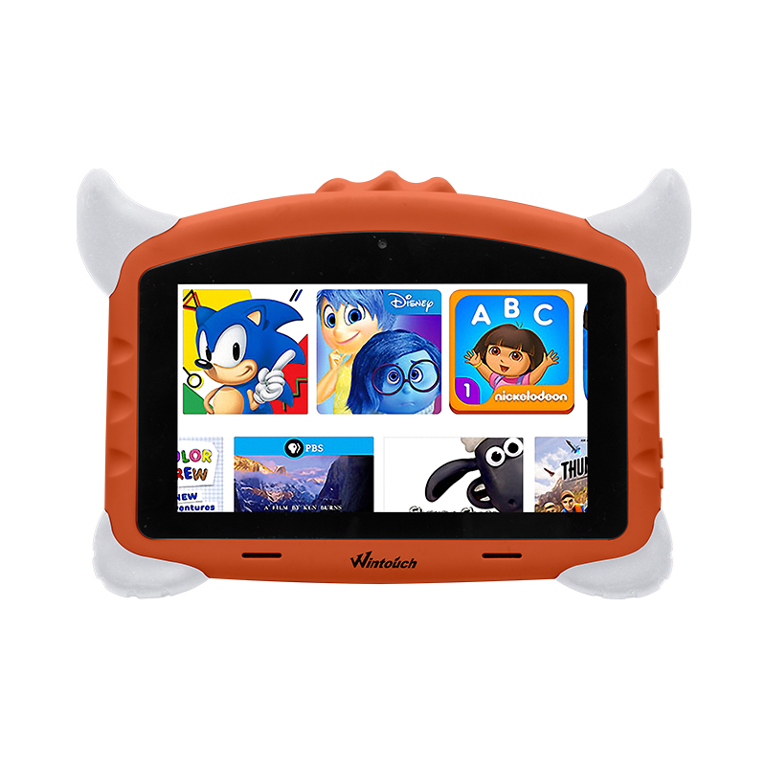 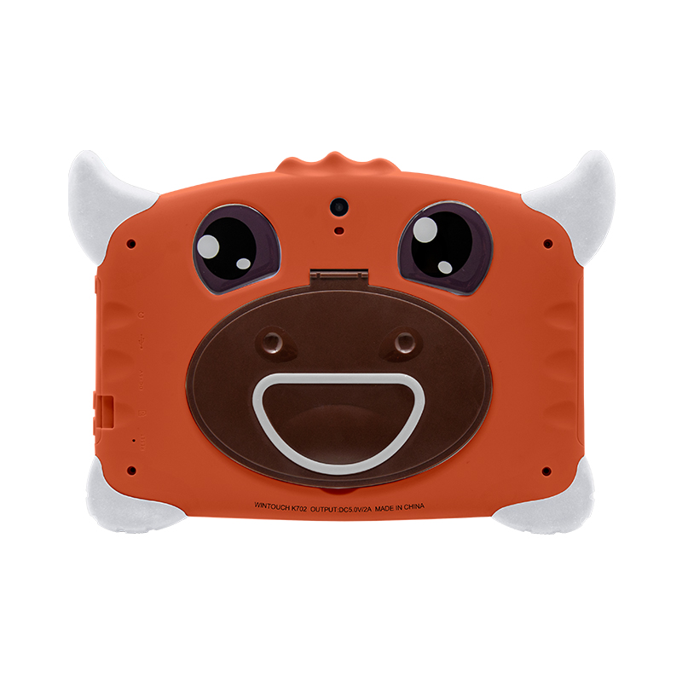 | Screen | 7" 1024*600 IPS screen
 | CPU | A50 Qual core 1.2Ghz,GPU:Mali400,2160p decoder
 | Body Size | 24.1*17*4.5(cm)
 | Working RAM | 1.5GB
 | Inner Storage | 16G B
 | Internet Connection | Build-in Lower comsuption WiFi+B/T,support 802.11b/g
 | Operation System | Android 7.0
 | System Language | Multi language settings including all the using languages
 | App | Supporting Google Play directly downloading
 | Videos and Images | Main forms of videos and iamges are supported
 | Speaker | single speaker
 | Jack/ Port | Micro USB charging port, 3MM earphone port
 | Power/ Battery | 5V2A power charge,2500MAH battery capacity
 | Camera | Front 0.3M, Back 2M
 | Packing Details | Loading: each piece single color box, 20boxs/CTN, Carton size:44.1*40*23.2 CM Weight: 16 KGS Accessorise: Charger/ USB cable/ Screen protector/ Protecting case

