Sheet1
Shenzhen United Touch Technology Co., LTD

Contact：Gerry Kong Mobile:86-18566223527 Tel：+86 755 81488252 Fax：+86 755 28891676
Email：manager@wintouchcn.com Web：www.wintouchcn.com
Factory Address: ROOM 311/315, Buiilding NO.1, HUAKECHENG BOCHUANGYUAN, Shida Road, Dalingshan Town, Dongguan City, Guangdong, China
Item Number: K11 FOB Price: Port: SHENZHEN
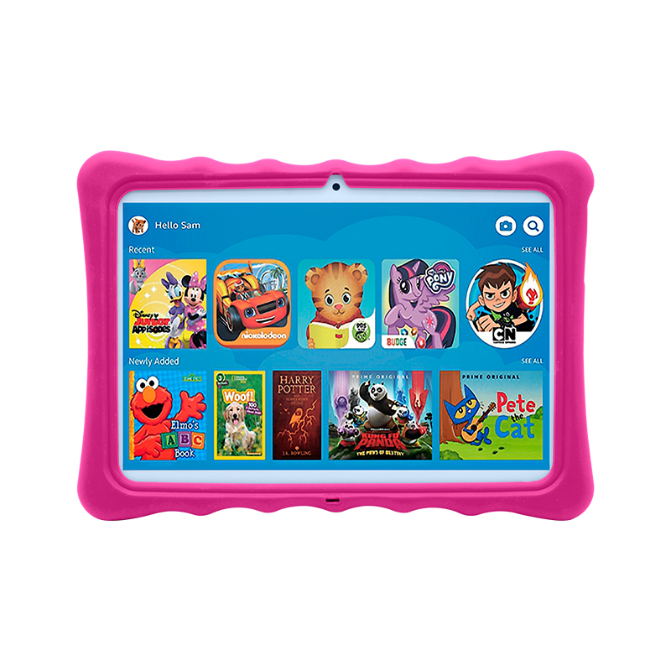 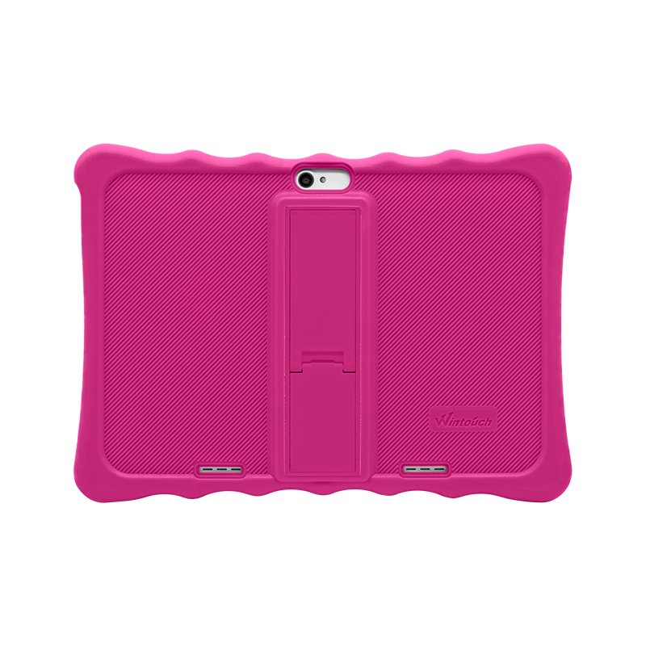 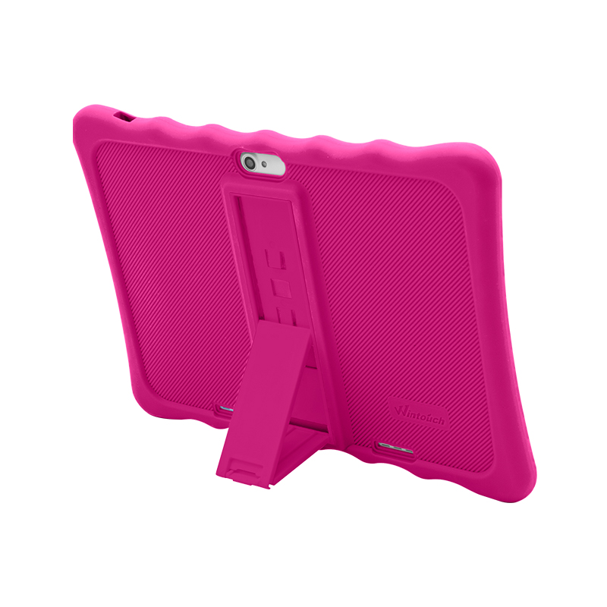 | Screen | 10 inch multi touch 1280*800 IPS screen
 | Mother board | MTK6592 CPU, 1.2GHZ
 | Body Size | 205*130*11(mm)
 | Working RAM | DDR3-1G
 | Inner Storage | 16GB
 | Internet Connection | Build-in 3GWCDMA/GSM Lower comsuption WiFi+B/T,support 802.11b/g
 | Operation System | Android5.0 special kids system with parents control mode and kids mode
 | System Language | Multi language settings including all the using languages
 | App | Supporting Google Play directly downloading
 | Videos and Images | Main forms of videos and iamges are supported
 | Speaker | single speaker
 | Jack/ Port | Micro USB charging port, 3MM earphone port
 | Power/ Battery | 5V2A power charge, 4000MAH battery capacity
 | Camera | Front 0.3M, Back 0.3M

 | Packing Details | Loading: each piece single color box, 10boxs/CTN, Carton size: 40*30*30cm Weight: 11KGS Accessorise: Charger/ USB cable/ Screen protector/ Free gifts

 | Customized Details | MOQ: 1000PCS Delivery time: Free Season 30 days Busy Season45-50days Customize Issues: Back logo, Power on flash, Color box logo, kinds of lables, Software requirments, Preinstalled APPs Payment term: 30% prepayment, balance to be cleared before shipment

