MTK6750
Dongguan Liontek Technology Co.,Ltd (Factory)
WINTOUCH TABLET (Dongguan Liontek Technology)
Web：www.wintouchcn.com
Address: No.2 Lianfeng New Road, Dalingshan Town, Dongguan City, Guangdong, China

Wintouch 10.1'' 4gb RAM 64gb ROM,A333 CPU Tablet
Key features: R 10.1'' Incell, 1280*800 IPS display R Process:A333,5 cores,1*Cortex-A73+4*Cortex-A53 R Android 16（GMS） R RAM 4GB+8GB R ROM 64GB R 5000 mAH capacity R 5GWifi R Front camera: 5MP, Rear camera: 8MP |  | 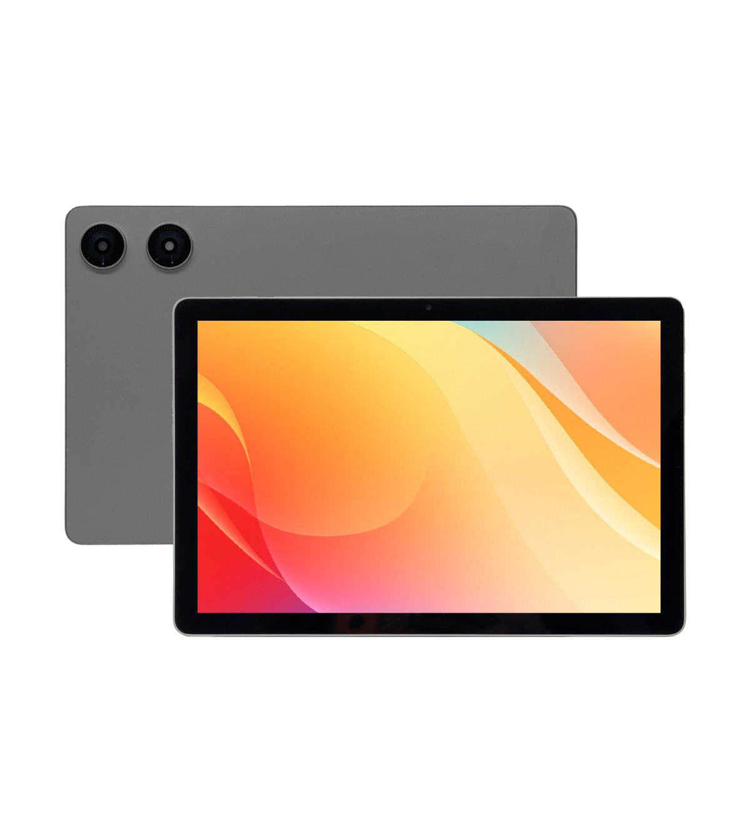 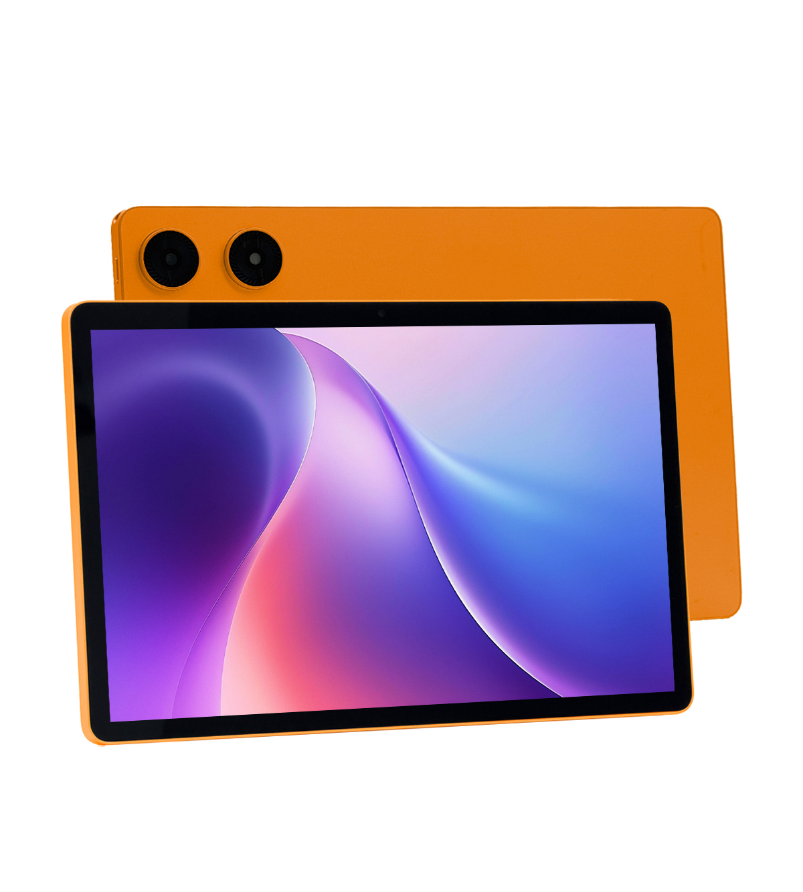
System Configurations
Type | Details | Descriptions
Body | Dimensions | 240*159*7.8mm
 | Weight | 0.45 kgs
Operating System | Android Version | Android 16 (GMS)
CPU | Type | A333，1*Cortex-A73+4*Cortex-A53
Display | Screen Size | 10.1 inch
 | Screen Resolution | 1280*800 IPS display
Battery | Capacity | 5000 mAH capacity
 | Working Time | 5-6 hours
Hardware Specification
Type | Details | Descriptions
Memory | RAM | 4GB
Storage | ROM | 64GB (Support expand with 128GB SD card)
Camera | Front | 5MP
 | Rear | 8MP
Speaker | Built-in | Dual speakers
Network Connections:
Type | Details | Descriptions
WIFI | WIFI Module | 2.4G/5G
Bluetooth | BT Module | Bluetooth 5.0
Interface Configuration:
Type | Details | Descriptions
Memory Card Slot | External Memory | Support 128GB SD card
USB Interface | USB Interface Type C | 1*USB-C
Headphone Jack | Music Output | 3.5mm microphone jack
Keyboard | Input Device | Support bluetooth keyboard
Main Accessories:
Type | Details | Descriptions
Standard | Charging | 5V 2A adapter * 1 + USB to C cable *1
 | Manners | User manner+ Warranty card
 | Protection | Screen Protector*1

