10.1 A333
DONGGUAN LIONTEK TECHNOLOGY CO.,LTD
Contact： Mobile:
Web：www.wintouchcn.com E-mail:
Address:BochuanglndustrialPark,DalingshanTown,Dongguan City,Guangdong Province
WT8662
Key features: - 10.1 inch 1280*800px Incell - A333 - Android 16.0 - RAM 4GB - ROM 64GB - 6000mAH capacity - Wifi - Front camera: 5MP, Rear camera: 13MP |  | 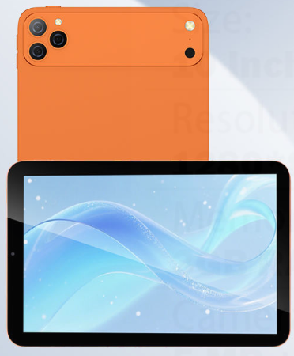
System Configurations
Type | Details | Descriptions
Operating System | Android Version | Android 16.0
CPU | Type | All Winner A333
Display | Screen Size | 10.1 inch
 | Screen Resolution | 1280*800px
Battery | Capacity | 6000MAH battery capacity
 | Working Time | 8-10 hours
Hardware Specification
Type | Details | Descriptions
Memory | RAM | 4GB
Storage | ROM | 64GB (Support expand with 256GB TF card)
Camera | Front | 5MP
 | Rear | 13MP
Speaker | Built-in | Dual speakers
Network Connections:
Type | Details | Descriptions
WIFI | WIFI Module | Support
4G/LTE | Built-in | Wifi
Bluetooth | BT Module | Support
Interface Configuration:
Type | Details | Descriptions
Memory Card Slot | External Memory | Support 256GB TF card
SIM Card Slot | SIM Card Slot | Dual sim card
USB Interface | USB Interface Type A | N/A
 | USB Interface Type C | 1*USB-C
Headphone Jack | Music Output | 3.5mm
Keyboard | Input Device | Support
Main Accessories:
Type | Details | Descriptions
Standard | Charging | 5V 2A adapter * 1 + USB to C cable *1
 | Manners | User manner+ Warranty card
 | Protection | Screen Protector*1

