Sheet1
A20-K（A50-K）
Image |  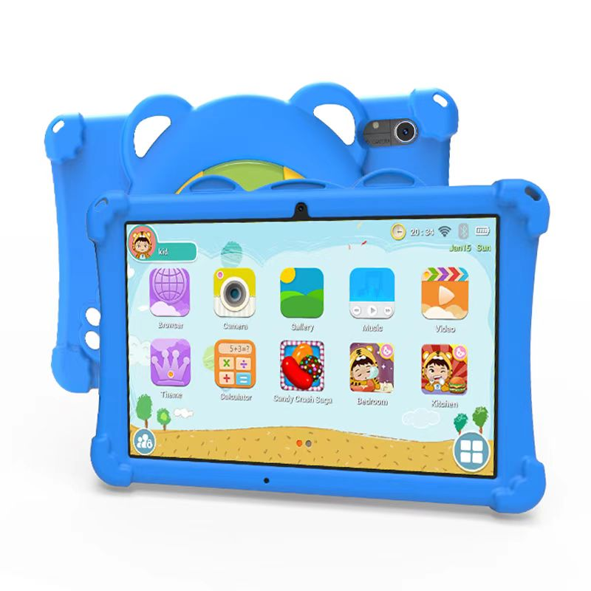
Product Design
Type | Details | Description
Product Form | Product Format | side-scrolling format
 | Product Size | ZC 1093 239.4*151.1*8.8mm
LCD | Screen Size | 10.1 inches
 | Camera Pixel | mipi 800*1280
TP | Touchscreen | COB 51pin GSL3676
Battery | Type | Polymer Lithium-ion Battery
 | Capacity | 3.8V Max 5000mAh with NTC
 | Battery Runtime | 5-6H based on the operating environment
Hardware Configurations
Type | Details | Description
CPU | CPU | ●A523 Quad-core ARM CortexTM-A55 ●lt integrates octa-core, up to 2.0 GHz ●Single RISC-V CPU.up to 200MHz
GPU | GPU | ●ARM G57 MC01 ●Supports OpenGL ES 3.2/2.0/1.0,Vulkan 1.1,OpenCL2.0
Multimedia Support (hardware decoding) | Image | JPG, JPEG, GIF, BMP, PNG
 | Video | asf,avi,flv,f4v,mlv,mov,mp4/m4v,vob,mpg,pmp,ts/tp,m2ts,mts,wmv,webm,3GP
 | Audio | AMR,MP1/MP2/MP3,OGG,WAV,AAC,APE,FLAC,DSD,G729,ALAC
Power Management Chip | Power Management Chip | AXP717C
RAM | RAM | Supports lpddr4 4G
ROM Flash | ROM | Supports EMMC 128G
Camera | Front Camera | 2.0MP
 | Rear camera | 5.0MP with a built-in flash
Speaker | Built-in Speaker | Built-in 8Ω/1W speaker x 2, K-Class Audio Amplifier AW8737FCR
Microphone | Built-in Microphone | Built-in Analog Mic x1
G-sensor | Built-in | Gravity Acceleration Sensor
Network Connection
Type | Details | Description
WIFI | Wi-Fi Module | AW869A WIFI+BT5.0 MODULE,802.11a/b/g/n/ac/ax,2.4G/5.8G
Communication Module | Plug-in | Not Supported Built-in, External USB 3G Dongle / 4G Dongle for Wireless Internet Access
Ethernet | MiNi USB switch to Ethernet Network | Supported (for module debugging)
Interface Configurations
Type | Details | Description
TF Memory Card Slot | Expandable External Storage | TF Memory Card
USB Interface | TYPE-C 1 Data Transfer | TYPE-C 2.0 （charging, upgrading, and data transfer）
Headphone Interface | Audio Output. | External FPC adapter for ∮3.5mm Standard jack
Keyboard | Input Device | USB expansion, support wired/wireless
Mouse | Input Device | USB expansion, support wired/wireless
Standard Accessories
Type | Details | Description
3.5mm Earphone | Standard | Standard Stereo Earphone
Power Supply Adapter | Standard | Input: AC100-240V, 50-60Hz, Output: Type-C 5V 2A
Software Configurations
Type | Details | Description
System | System Version | support Android 13
 | Language | Multilingual Support
System software | 电子邮件(Email) | Gmail
 | 浏览器(Browser) | Chrome
 | 计算器(Calculator) | Calculator
 | 日历(Calendar) | Calendar
 | 时钟(Clock) | Clock
 | 谷歌助理（Assistant） | Assistant
 | 图库(Gallery) | Gallery
 | 相机(Camera) | Camera
 | 音乐(YT Music) | YT Music
 | 文件浏览器（FileBrowser） | Files
 | 设置(Settings) | Settings
 | 联系人（Contacts） | Contacts
 | Duo | Duo
 | 谷歌编程工具（Google Go） | Google Go
 | 地图（Maps) | Maps
 | Drive | Drive
 | 通讯录（Contacts） | Contacts
 | 应用商店（play Store) | play Store
 | 录音Sonud Recorder | Sonud Recorder
 | 视频网站（YouTube ） | YouTube

